The Covernator
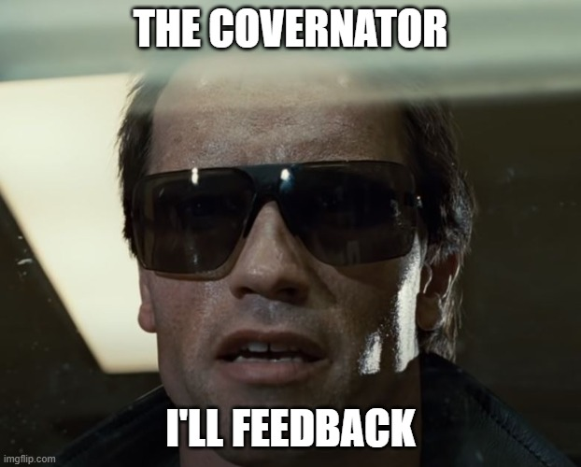
Total number of CASES | 66
Cases not covered in a scenario | 2

Total number of SCENARIOS | 28
Data products | 8
Energy calculations | 13
Wholesale calculations | 7

Total number of RESULTS | 59
energy_calculation | 17
wholesale_calculation | 14
wholesale_basis_data | 6
wholesale_results | 8
wholesale_sap | 3
wholesale_settlement_reports | 11

Results without coverage | 4

